1. Title Page
[Instacart]

Project Name: Instacart
Date: 11th of March, 2025
Analyst Name: Hannah Strassmann

Contents:
Population Flow
Consistency checks
Wrangling steps
Column derivations
Visualizations
Recommendations

 | “The Instacart Online Grocery Shopping Dataset 2017”, Accessed from www.instacart.com/datasets/grocery-shopping-2017 via Kaggle on [date].

2. Population Flow
Title page

Population flow

Exclusion flag
Condition: max_order < 5
Obervations to be removed: 7989982
Final total count of order_products_all: 24414877

Orders_products_combined
Orders_products_merged
Orders_products_all

Total: 32404859
Total: 32434489
Total: 32404859

1.) The grey boxes in the first row of the population flow represent the original data sets as they were when you downloaded them. In the Total fields you need to add the count of the rows when you imported the data set into Jupyter.
2.) The second row of boxes (coloured) represents the data sets after you manipulated them, e.g., removed missing values and duplicates. In the Total fields you need to add the count of the rows after conducting these operations. This offers a visual oveview of how the data flows throughout the data consistency checks.
3.) The third row, where also the arrows are coloured, represents the merges you performed between the datasets. In the Total fields you need to add the count of the rows in the merged datasets, so that you end up with the final dataset (in the red box). Keep in mind the final dataset should be without exclusions (based on the exclusion flag).

3. Consistency checks
 |  |  |  | Title page
Consistency checks

Dataset | Missing values | Missing values treatment | Duplicates
orders | days_since_prior_order 206209 missing values | Missing values made sense --> customers with only 1 order have not made prior orders | No duplicates found
products | product_name 16 missing values | new df without missing values created | 5 duplicate rows --> created new df without duplicates
orders_products_prior | No missing values found. |  | No duplicates found
customers | First Name 11259 missing values | Values were not touched. First names cannot be imputed and people can still be identified through customer ID. | No duplicatees found

4. Wrangling steps
 |  |  |  | Title page
Wrangling steps

Columns dropped | Columns renamed | Columns' type changed | Comment/Reason
 | order-dow to orders_day_of_week |  | order_dow is not intuitive
 | order-hour_of_day to order_time |  | order_hour_of_day is long and "time" makes more sense
eval_set |  |  | unnessecary variable
 |  | order_id (df_orders) int64 to string | order_id is an identifier, not a number in the mathematical sense
 |  | user_id (df_orders) in64 to string | user_id is an identifier, not a number in the mathematical sense
 |  | df-dep was transponded | was in the wrong 'format'. Columns had to becaome rows and vice versa
 | n_dependants to number_of_dependants |  | Looked better to me
 |  | user_id (df_customers) changed to string | user_id is an identifier, not a number in the mathematical sense

5. Column derivations
Column derivations and aggregations

In this tab you should add tables below that the frequences of flags/label variables that you produced after deriving them. NB: don't do this for continuous variables, only for flags.
Dataset | New column | Column/s it was derived from | Conditions
df_opc_merged | busiest_days | orders_day_of_week
df_opc_merged | busiest_period_of_day | order-time
df_opc_merged | loyalty_flag | max_order
df_opc_merged | spending flag | spending_habits
df_opc_merged | ordering_frequency | user_id/days_since_prior_order
df_opc_merged | order_frequency_flag | ordering_frequency
df_opc_merged | price_range_loc | prices
df_opc_merged | Region | State
df_opc_merged | single_or_family | number_of_dependents
df_opc_merged | working_or_senior | age
df_opc_merged | income_level | income

6. Visualizations
Title page

Visualisations

In this tab you should include all the visualtions from Exercises 4.9 and 4.10, alongside the questions from the project brief that they answer. Include any commentary on the relationship between different variables.

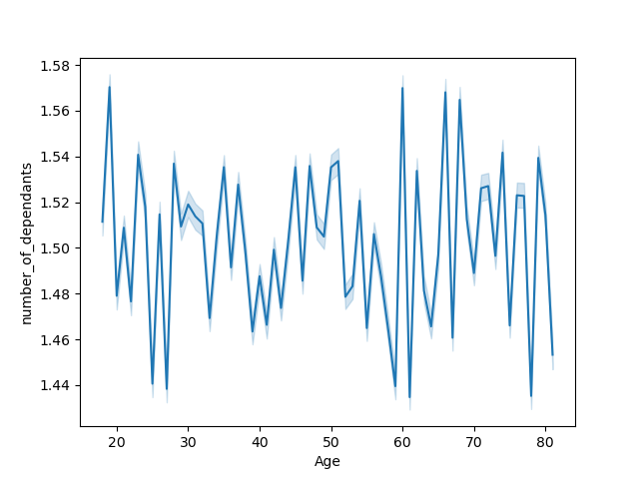
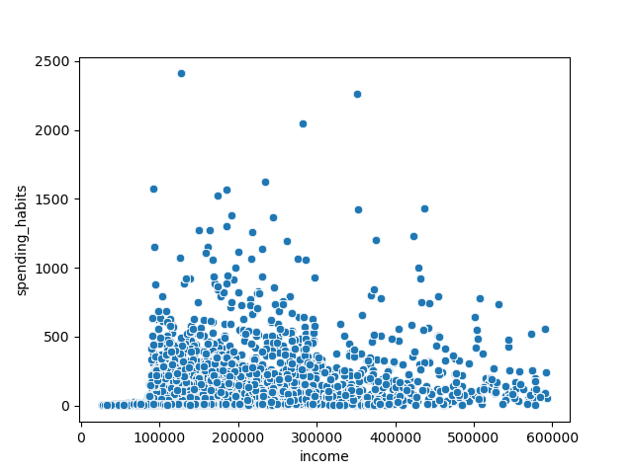


Age and Number of Dependents
Spending Habits and Income Scatterplot
Income and Age Scatterplot
Busiest Times of the Day
It can be seen that at age 40 there are suddnely more people who earn above 300000.
There is no correlation between number of dependents and age of a person.
There is a slight negative correlation between speding habits and income. That is, poeple who earn around 80000 appear to be spending somewhat more than those who earn 600000.
The most orders are placed between 10 am and 3 pm.

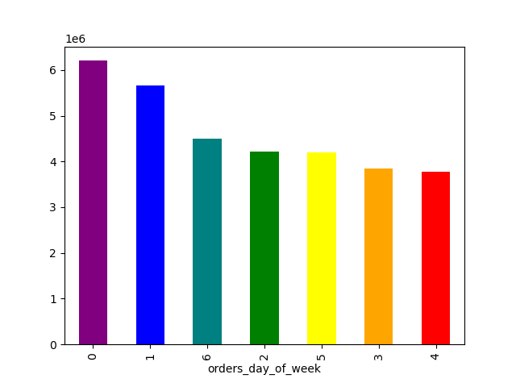

Busiest day of the week
Costumer Type Distribution
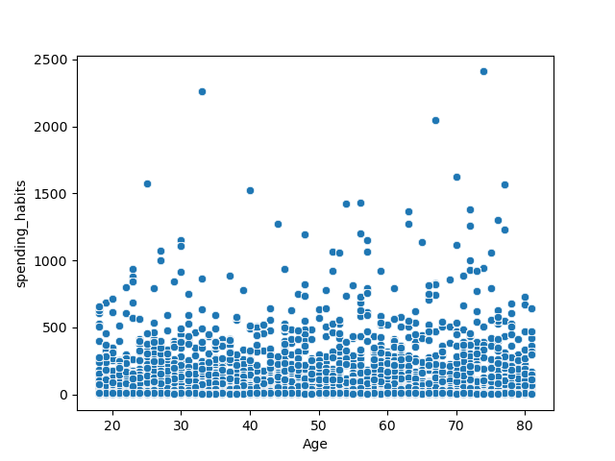
Spending Habits and Age Scatterplot
The three busiest days of the week are Staurday, Sunday and Friday
Most Instacart customers are regular customer.

There is no clear correlation between spending haits and age.

Regular Customer Loyal Customer New Customer


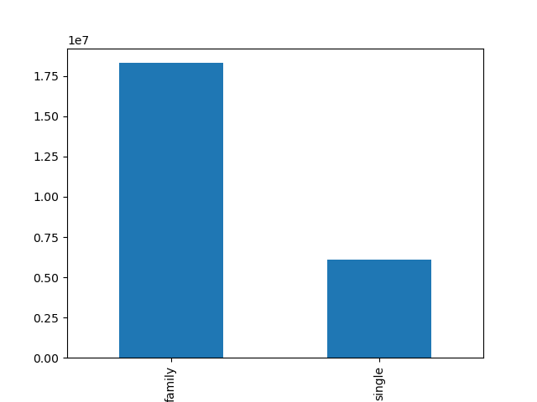
Family or Single Frequency Distribution
Prices of Orders at Different Times of the Day
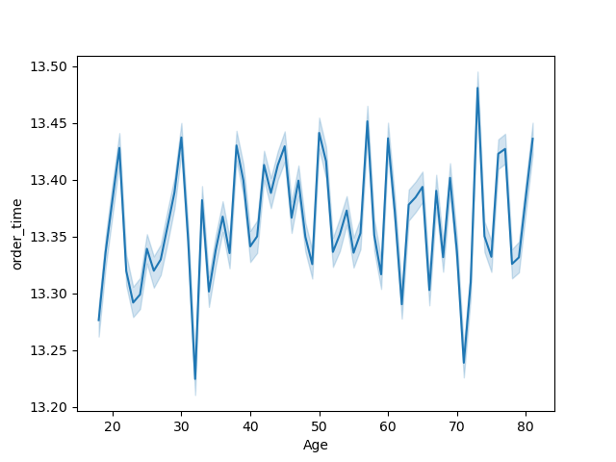
Age and Order Time
The most expensive orders are placed in the early morning hours.
Most Instacart costumers live in a family household.
Therer is no clear correlation between order time and age.

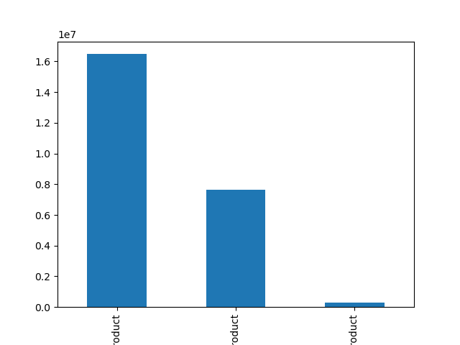
Price Range Frequency Distribution

Working or Retired Frequency Distribution
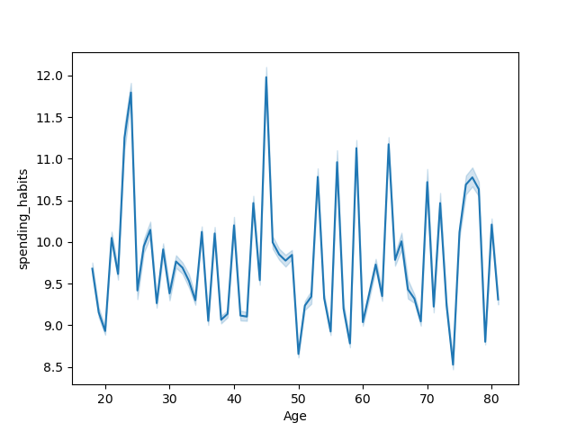
Spending habits and Age
Most Instacart products fall within the mid - rage product section, with only very few in the high - range product section.

Most instacart customers are individuals who work, however, about a third are retirees.
There is no clear correlation between spending hbaits and age.

Mid - Range Product Low - Rage Product High - Range product

Working Retired

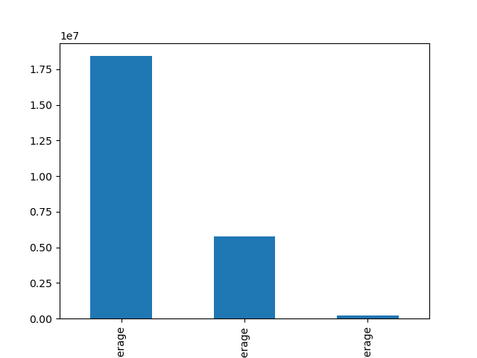
Income Levels Frequency Distribution
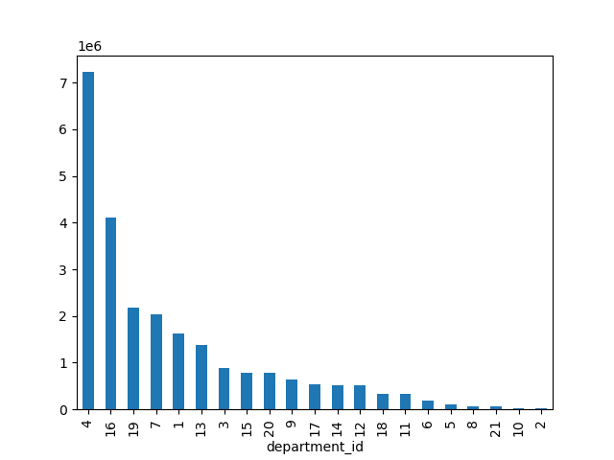
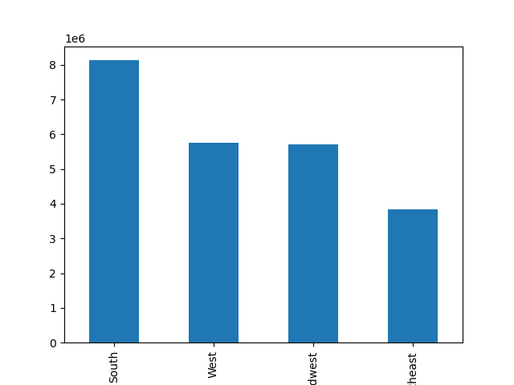
Department id Frequncy Distribution
Regions where Instacart Customers Live
Most Instacart customers are above average earners. The fact that there are only very few average earners is also owed to the fact that this is the smallest income range. However, cleary Instacart is used more commonly by more afffluent individuels.
The departments most frequently ordered from are department 4, 16 and 19. See the next sheet for more information.
Most Instacart customers live in the south, followed by the west and midwest, with the fewest customers living in the northheast.

Above Average Below Average Average
South West Midwest Northeast

7. Recommendations
 |  | Title page

Recommendations

In this tab you should include any recommendations you would make to Instcart in terms of their marketing strategy based on the questions posed in the brief. Every key question has been covered in the Tasks of the Exercises - here you need to add an item - a visualisation or table/crosstable that is showing the answer in the data, acompanied by a comment from you. Please, list the questions below and add the answer underneath.

Question | Answers
1.) The sales team needs to know what the busiest days of the week and hours of the
day are (i.e., the days and times with the most orders) in order to schedule ads at
times when there are fewer orders.
2.) They also want to know whether there are particular times of the day when people
spend the most money, as this might inform the type of products they advertise at
these times.
3.) Instacart has a lot of products with different price tags. Marketing and sales want to
use simpler price range groupings to help direct their efforts.
4.) Are there certain types of products that are more popular than others? The marketing
and sales teams want to know which departments have the highest frequency of
product orders.
5.) The marketing and sales teams are particularly interested in the different types of
customers in their system and how their ordering behaviors differ. For example:
a) What’s the distribution among users in regards to their brand loyalty (i.e., how often do they return to Instacart)?
b) Are there differences in ordering habits based on a customer’s loyalty status?
c) Are there differences in ordering habits based on a customer’s region?
d) Is there a connection between age and family status in terms of ordering
habits?
f) What differences can you find in ordering habits of different customer
profiles? Consider the price of orders, the frequency of orders, the products
customers are ordering, and anything else you can think of.
--> The busiest dasy of the weeks are Saturday, Sunday and Monday, and the busiest time of the day is between 10 am to 5 pm
--> people spend the most in the early morning hours, specifically between 2 1m and 4 am.
--> Most prices range in the low price range, the fewest are in the high price range
--> The departments from which are ordered the most are 4 (produce), 16 (dairy and eggs) and 19 (snacks). the least popular depoartments 2 (other), 10 (bulk) and 18 (babies).
--> Most customers are regular customers, meaning the have ordered between 10 and 20 times.
--> No differences in ordering habits based on a customers loyalty status were found.
--> There is no difference between the regions with regards to how frequently someome orders. there is also no difference in regard to from what price range people order. There is also no difference in how much people spend.
--> It appears that age and family status does not influence ordering or spending habits. neither does ebing retired or working. There is no correlation between age and time of ordering or age and sepnding habits.
--> There are more families who are customers of instacart than there are singles. the majority of instacart customers are working individuals (aka under 65 years of age), and most are above average (over $67000) earners.
However, no relationships between the different custoerm profiles and ordeing or spending habits could be found. The corresponding graphs and plots can be found in the remaining sheets of this workbook.

Recommendations
Seeing as most Instacart customers abbear to be abpve average earners, ads should be placed in locations (both physical and virtual) where middle the middle class and above middle calss people are most likely to frequent.
Orders seem to drop in the late morning and lunch hours, therefore ads would not be particularly beneficial at this time. However, this time of day may see more orders if some sort of reward program for ordering in those hours would be installed.
A reward for returning customers might be beneficial, to ensure that as many new customers as possible turn into regular or loyal customers.

region by income level
Region | average | over-average | under-average
Midwest | 52417 | 4332467 | 1326872
Northeast | 38088 | 2897208 | 909789
South | 69194 | 6120147 | 1939745
West | 58135 | 4343254 | 1361519

Income Range by Region

region price range
Region | high-range product | low-range product | mid-range product
Midwest | 71792 | 1784021 | 3855943
Northeast | 48251 | 1204460 | 2592374
South | 102781 | 2534882 | 5491423
West | 73170 | 1800741 | 3888997

Price Range by Region

Region by order frequency flag
Region | frequent customer | non-frequent customer | regular customer | Totals | frequent customer | non-frequent customer | regular customer
Midwest | 4213478 | 350154 | 1148124 | 5711756 | 74% | 6% | 20%
Northeast | 2852929 | 220172 | 771984 | 3845085 | 74% | 6% | 20%
South | 6049059 | 490297 | 1589730 | 8129086 | 74% | 6% | 20%
West | 4298801 | 345030 | 1119077 | 5762908 | 75% | 6% | 19%

Frequency Flag by Region

region spender range
Region | high spender | low spender
Midwest | 106554 | 5605202
Northeast | 68590 | 3776495
South | 143657 | 7985429
West | 101995 | 5660913

Spender Flag by Region

fam price range
single_or_family | high-range product | low-range product | mid-range product
family | 233151 | 5719359 | 12357365
single | 75027 | 1907386 | 4122589

Price Range by Family/Single

price fam single
working_or_senior | high-range product | low-range product | mid-range product
retired | 82892 | 2016693 | 4358865
working | 225286 | 5610052 | 12121089

Price Range by Family/Single

price by income
income_level | high-range product | low-range product | mid-range product
average | 2922 | 66443 | 154410
below-average | 51582 | 2075742 | 3636266
over-average | 253674 | 5484560 | 12689278

Income level by Price Range

fam and freque cust
single_or_family | frequent customer | non-frequent customer | regular customer
family | 13612248 | 1102205 | 3595422
single | 4524510 | 361313 | 1219179

Frequnecy Flag by Family/Single

work ret spender
working_or_senior | high spender | low spender
retired | 112865 | 6345585 | 6458450
working | 325138 | 17631289 | 17956427

Spender Flag by Retired/Working

work ret freque
working_or_senior | frequent customer | non-frequent customer | regular customer
retired | 4814656 | 382791 | 1261003
working | 13322102 | 1080727 | 3553598

Frequency Flag by Retired/Working

fam and spender flag
single_or_family | high spender | low spender
family | 330536 | 17979339
single | 107467 | 5997535

Spender Flag and Family/Single

loyalty and spending
loyalty_flag | high spender | low spender
loyal customer | 187243 | 9368248 | 9555491 | 2%
new customer | 33302 | 2081526 | 2114828 | 2%
regular customer | 217458 | 12527100 | 12744558 | 2%

Loyalty and Spending Habits

loyalty and frequency
loyalty_flag | frequent customer | non-frequent customer | regular customer
loyal customer | 9551879 | 0 | 3612
new customer | 576449 | 840042 | 698337
regular customer | 8008430 | 623476 | 4112652

Loyalty and Frequency

loyalty and income
loyalty_flag | average | below-average | over-average
loyal customer | 85701 | 2209841 | 7259949
new customer | 19754 | 547281 | 1547793
regular customer | 118320 | 3006468 | 9619770

Loyalty and Income

